Infra
 |  | SQ FT BY PHASE |  |  |  |  |  |  |  |  |  |  |  |  |  |  | YELLOW HIGHLIGHT=RENOVATION OF EXISTING
 |  | EXISTING | PHASE I |  |  |  | PHASE 2 |  |  | PHASE 3 |  |  | BEYOND 10YR
 |  | 2022-2023 | 2024 | 2025 | 2026 | 2027 | 2028 | 2029 | 2030 | 2031 | 2032 | 2033 | 2033+ | TOTALS |  |  | 1,154,025 | Total Market Rate Housing
 | Market-Rate Rental Housing | - | 218,816 | 200,187 | 152,849 | - | 63,168 | 259,979 | 163,026 | - | - | 96,000 | - | 1,154,025 | SF | Market-Rate Rental Housing | 312,568 | Total Affordable Housing
 | Affordable Rental Housing | - | - | - | - | 312,568 | - | - | - | - | - | - | - | 312,568 | SF | Affordable Rental Housing | 21 | % of Housing that is Affordable (Minimum 20%)
 | Office/Commercial | - | 68,071 | 84,449 | 100,899 | - | - | - | - | - | - | 203,917 | - | 457,336 | SF | Office/Commercial
 | Retail | - | 14,068 | 18,659 | 30,039 | 33,282 | 37,287 | 25,568 | - | - | 23,747 | 23,747 | - | 206,397 | SF | Retail
 | Rooftop Spaces |  | 55,047 | 49,007 | 70,470 | 63,425 | 42,344 | 25,568 | 22,552 | - | 6,747 | 63,220 | - | 398,380 | SF | Rooftop Spaces | 6,763 | Required Parking Without Public Transit Subtraction
 | Hotel | - | - | - | - | - | - | - | - | - | 371,657 | - | - | 371,657 | SF | Hotel | (2,029) | 30% Reduction Transit oriented development (TOD) Per section 17.116.110
 | Structured Parking | 183,687 | 182,908 | 127,865 | 162,248 | 103,590 | - | 64,151 | 45,124 | - | 178,698 | 178,698 | - | 1,226,969 | SF | Structured Parking | (1,353) | 20% Reduction for Providing Designated Ride Share Spaces. Per section 17.116.110
 | # parking spots | 525 | 523 | 365 | 464 | 296 | - | 183 | 129 | - | 511 | 511 | - | 3,506 |  | # parking spots | 3,382 | Required Parking Spaces
 | Surface Parking | - | - | - | - | - | - | 9,022 | - | - | - | 10,000 | - | 19,022 | SF | Surface Parking | 3,744 | Total Provided Parking Spaces
 | # parking spots | - | - | - | - | - | - | 26 | - | - | - | 29 | - | 54 |  | # parking spots | 8 | Designated Ride Share Spaces Per section 17.116.110
 | Flex Surface Parking | - | - | - | - | - | 64,335 | - | - | - | - | - | - | 64,335 | SF | Flex Surface Parking
 | # parking spots | - | - | - | - | - | 184 | - | - | - | - | - | - | 184 |  | # parking spots
 | Total Parking | - | 237,955 | 176,872 | 232,718 | 167,015 | 106,679 | 98,741 | 67,676 | - | 185,445 | 251,918 | - |  |  | Total Parking
 | # Total Parking Spaces | 525 | 523 | 365 | 464 | 296 | 184 | 209 | 129 | - | 511 | 539 | - | 3,744 |  | # Total Parking Spaces
 | Demolition | - | 272,756 | 180,226 | 154,450 | 51,474 | 42,381 | 23,198 | - | 57,835 | 166,400 | 97,808 | - | 1,046,528 | SF | Demolition
 | Garage Renovation | 183,687 | - | - | - | - | - | - | - | - | - | - | - | 183,687 | SF | Garage Renovation
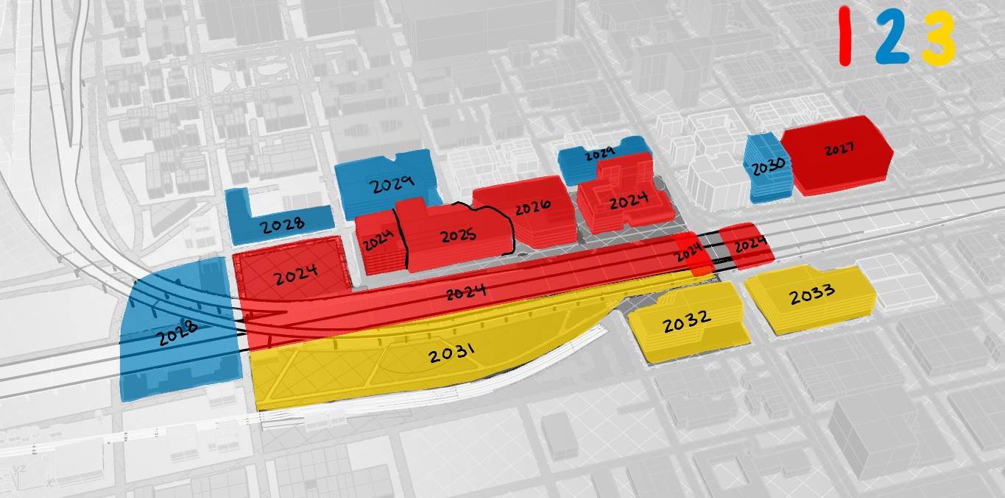
 | Remediation | - | 75,000 | - | - | - | - | - | - | 56,000 | - | - | - | 131,000 | CF | Remediation
 |  |  | BASEBALL STADIUM BUILT

 |  | ITEMS WE WANT TO HAVE PAID FOR BY GOV. PROGRAMS
 | BART Station | - | 4,500 | - | - | - | - | - | - | - | - | - | - | 4,500 | SF | BART Station
 | Bus Transit Hub | - | 4,125 | - | - | - | - | - | - | - | - | - | - | 4,125 | SF | Bus Transit Hub
 | Existing Public Park | - | 87,219 | - | - | - | - | - | - | - | - | - | - | 87,219 | SF | Existing Public Park
 | Misc. Public Space | - | 269,542 | - | - | - | - | - | - | - | - | - | - | 269,542 | SF | Misc. Public Space
 | Misc. Enclosed | - | 28,534 | - | - | - | - | - | - | 4,544 | - | - | - | 33,078 | SF | Misc. Enclosed
 | Open Market | - | - | - | - | - | 70,107 | - | - | - | - | - | - | 70,107 | SF | Open Market
 | Enclosed Market | - | - | - | - | - | 74,200 | - | - | - | - | - | - | 74,200 | SF | Enclosed Market
 | Park Space | - | 75,000 | - | - | - | - | - | - | 79,263 | - | - | - | 154,263 | SF | Park Space
 | Amphitheater | - | - | - | - | - | - | - | - | 20,000 | - | - | - | 20,000 | SF | Amphitheater
 | Community Garden | - | - | - | - | - | - | - | - | 56,000 | - | - | - | 56,000 | SF | Community Garden
 | Green Ballpark street | - | - | - | - | - | - | - | - | - | - | - | 50,850 | 50,850 | SF | Green Ballpark street

 |  | DEMOLITION SQ FT ADD UP
 |  | EXISTING | PHASE I |  |  |  | PHASE 2 |  |  | PHASE 3 |  |  | BEYOND 10YR
 |  | 2022-2023 | 2024 | 2025 | 2026 | 2027 | 2028 | 2029 | 2030 | 2031 | 2032 | 2033 | 2033+
 |  |  | 272,756 | 4,228 | 149,016 | 51,474 | 10,970 | 23,198 |  | 41,346 | 74,640 | 97,808
 |  |  |  | 92,676 | 5,434 |  | 14,764 |  |  | 16,489 | 14,090
 |  |  |  | 83,322 |  |  | 16,647 |  |  |  | 77,670
 | TOTAL | - | 272,756 | 180,226 | 154,450 | 51,474 | 42,381 | 23,198 | - | 57,835 | 166,400 | 97,808 | -

 |  | PARKING REQUIREMENTS
 |  | EXISTING | PHASE I |  |  |  | PHASE 2 |  |  | PHASE 3 |  |  | BEYOND 10YR
 |  | 2022-2023 | 2024 | 2025 | 2026 | 2027 | 2028 | 2029 | 2030 | 2031 | 2032 | 2033 | 2033+
 | SF Residential | - | 218,816 | 200,187 | 152,849 | - | 63,168 | 259,979 | 163,026 | - | - | 96,000 | -
1 | space per 1000sf | - | 219 | 200 | 153 | - | 63 | 260 | 163 | - | - | 96 | -
 | SF Affordable Housing | - | - | - | - | 312,568 | - | - | - | - | - | - | -
0.50 | space per 1000sf | - | - | - | - | 156 | - | - | - | - | - | - | - | 1/2 of a space per affordable dwelling unit in a TOD is per section 17.116.110 Provision B.1
 | SF Office | - | 68,071 | 84,449 | 100,899 | - | - | - | - | - | - | 203,917 | -
4 | spaces per 1000sf | - | 272 | 338 | 404 | - | - | - | - | - | - | 816 | -
 | SF Retail | - | 69,115 | 67,666 | 100,509 | 96,707 | 79,631 | 51,136 | 22,552 | - | 30,494 | 86,967 | -
3 | spaces per 1000sf | - | 207 | 203 | 302 | 290 | 239 | 153 | 68 | - | 91 | 261 | -
 | SF Hotel | - | - | - | - | - | - | - | - | - | 371,657 | - | -
2 | spaces per 1000sf | - | - | - | - | - | - | - | - | - | 743 | - | -
 | SF Outdoor Public Space | - | 269,542 | - | - | - | 70,107 | - | - | - | - | - | -
0.25 | spaces per 1000sf | - | 67 | - | - | - | 18 | - | - | - | - | - | -
 | SF Amphitheater | - | - | - | - | - | - | - | - | 20,000 | - | - | -
32 | spaces per 1000sf | - | - | - | - | - | - | - | - | 640 | - | - | -
 | SF Park Green Space | - | 162,219 | - | - | - | - | - | - | 79,263 | - | - | -
0.5 | spaces per 1000sf | - | 81 | - | - | - | - | - | - | 40 | - | - | -
 | SF Enclosed Retail Stalls | - | 28,534 | - | - | - | 74,200 | - | - | 4,544 | - | - | -
2 | spaces per 1000sf | - | 57 | - | - | - | 148 | - | - | 9 | - | - | -
 | SF Park Garden | - | - | - | - | - | - | - | - | 56,000 | - | - | -
0.1 | spaces per 1000sf | - | - | - | - | - | - | - | - | 6 | - | - | -
 |  | - | 904 | 741 | 858 | 446 | 468 | 413 | 231 | 694 | 835 | 1,173 | - | 6,763 | Required Parking Without Public Transit Reduction
 |  |  |  |  |  |  |  |  |  |  |  |  |  | (2,029) | 30% Reduction Transit oriented development (TOD) Per section 17.116.110
 |  |  |  |  |  |  |  |  |  |  |  |  |  | (1,353) | 20% Reduction for Providing Designated Ride Share Spaces
 | Required Parking | - | 452 | 370 | 429 | 223 | 234 | 207 | 115 | 347 | 417 | 586 | - | 3,382 | Required Parking to be Provided
 | Provided Parking | 525 | 523 | 365 | 464 | 296 | 184 | 209 | 129 | - | 511 | 539 | - | 3,744 | Planned Parking

 |  | Item | Phase | Assignment | Measurement type | Measurement | Price / measurement | Total cost | 1 | 2 | 3
 |  | Market-Rate Housing | 1 | Infastructure | Surface area, PSF | 1,154,025 | $12.50 | $14,425,313 | $7,148,150 | $6,077,163 | $1,200,000 | $73,929,524
 |  | Affordable Housing | 1 | Infastructure | Surface area, PSF | 312,568 | $3.65 | $1,140,873 | $1,140,873 |  | $-
 |  | Office | 1 | Infastructure | Surface area, PSF | 457,336 | $59.26 | $27,101,731 | $15,017,610 | $- | $12,084,121
 |  | Retail | 1 | Infastructure | Surface area, PSF | 206,397 | $59.26 | $12,231,086 | $5,691,804 | $3,724,787 | $2,814,494
 |  | Hotel | 3 | Infastructure | Surface area, PSF | 371,657 | $15.00 | $5,574,855 | $- | $- | $1,049,505
 |  | Surface Parking | 1 | Infastructure | Surface area, PSF | 19,022 | $2.00 | $38,044 | $- | $18,044 | $20,000
 |  | Rooftap Parking | 1 | Infastructure | Surface area, PSF | 398,380 | $2.00 | $796,760 | $475,898 | $180,928 | $743,314
 |  | Structured Parking | 2 | Infastructure | Surface area, PSF | 1,226,969 | $2.00 | $2,453,938 | $1,153,222 | $218,550 | $714,792
 |  | Demolition | 1 | Infastructure | Surface area, PSF | 1,046,528 | $8.00 | $8,372,224 | $5,271,248 | $524,632 | $2,576,344
 |  | Garage Renovation | 1 | Infastructure | Surface area, PSF | 183,687 | $8.00 | $- | $- | $- | $-
 |  | Remediation | 1 | Infastructure | Surface area, PSF | 131,000 | $13.70 | $1,794,700 | $1,027,500 | $- | $767,200
 |  | Bart Station | 1 | Infastructure | Surface area, PSF | 4,500 | $150.00 | $675,000 | $675,000 | $- | $-
 |  | Bus Transit Hub | 1 | Infastructure | Surface area, PSF | 4,125 | $150.00 | $618,750 | $618,750 | $- | $-

