Market Research
Key Takeaways |  |  |  |  |  |  |  |  |  |  | Construction Costs |  |  | Vacant Land Value
Multifamily |  | Office |  | Retail |  |  | Indutrial |  | Hospitality |  | Source: Mentor & RMS means |  |  | Source: Moody's Analytics
 |  |  |  |  |  |  |  |  |  |  |  |  |  | Land value
Market Multifamily Rent PSF NC | $1.45 | North Charleston Office Rents PS | $25 | Neighbourhood Retail Rents | $42 |  | North Charleston Industrial Rents | $10 | Charleston Hotel Revpar (monthly) | $119 | Wood Frame Low Rise | $130 | $150 | Site | Sales Price | Size | $/sqft
Market Studio Rent (per Unit) | $1,200 | Rent Growth | 3%-5% | Rent Growth | 5.90% |  | Rent Growth | 5.5%-11.9% | Rent Growth | 2%-19% | High Rise | $175 | $200 | 0 O'Hear Ave | 887,690 | 133,729 | 6.64
Market 1BR Rent (per Unit) | $1,250 | Vacancy | 4.40% | Vacancy | 5.80% |  | Vacancy | 3.80% | Vacancy** | 30.00% | Commercial | $200 | $250 | 2585 McRitchie Ave | 250,000 | 1,058,072 | 0.24
Market 2BR Rent (per Unit) | $1,390 | Market Absorbtion (SF) | 40,000-463,000 | Market Absorbtion (SF) | 16,000-643,000 |  | Market Absorbtion (SF) | 250,000-2,800,000 | Market Absorbtion (Rooms) | 100-1,257 | Mixed Use Commercial | $200 |  | N Hobson Ave | 305,000 | 319,730 | 0.95
Market 3BR Rent (per Unit) | $1,650 | Cap Rates | 7.1%-7.8% | Cap Rates | 6.4%-7.5% |  | Cap Rates | 6.7%-7.0% | Cap Rates | 7.2%-8.6% | Industrial | $100 | $125 | 4275 O'Hear Ave | 535,000 | 156,380 | 3.42
Vacancy | 6%-9% |  |  |  |  |  |  |  |  |  | Landscaping | $8 | $10 |  |  |  | 2.81
Cap Rates | 4.2%-6.4% |  |  |  |  |  |  |  | *Revpar - revenue per owned suite |  | Special Purpose e.g. Library | $250 | $300
Annual Deliveries | 200-1200 |  |  |  |  |  |  |  | **Revpar factors in vacancy |  | Demo Cost incl. grading and prep @ $20 | $10 | $20
Absorption | 2.1%-8.9% |  |  |  |  |  |  |  |  |  | Parking Surface |  | $10,000
 |  |  |  |  |  |  |  |  |  |  | Parking Above Grade |  | $20,000
 |  |  |  |  |  |  |  |  |  |  | Parking Below Grade |  | $35,000
 |  |  |  |  |  |  |  |  |  |  | Limited Service Hotel | 200 | 225
 |  |  |  |  |  |  |  |  |  |  | Full Service Hotel | 275 | 350

Mulitfamily Rent, Vacancy, and Cap Rates
Source: Costar - North Charleston |  |  |  |  |  | Source: Costar - Charleston
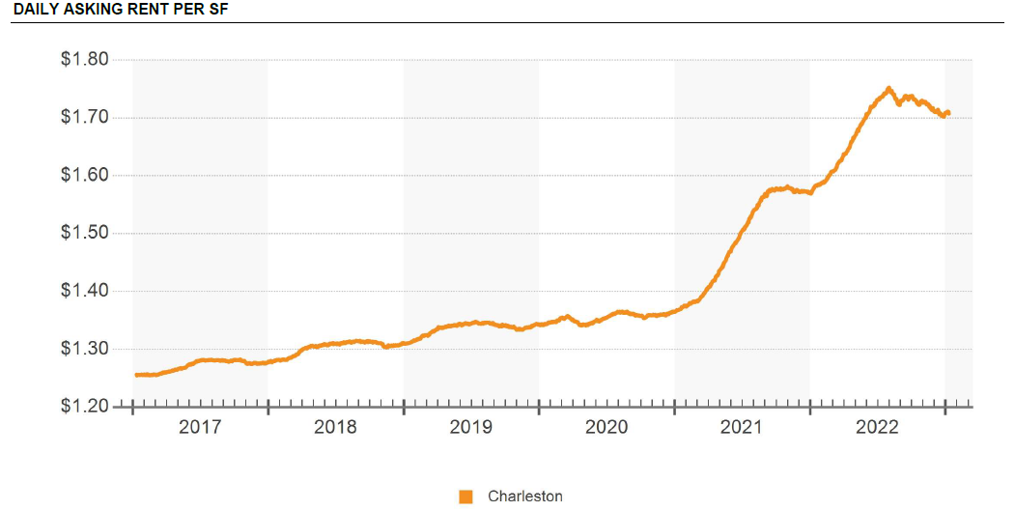
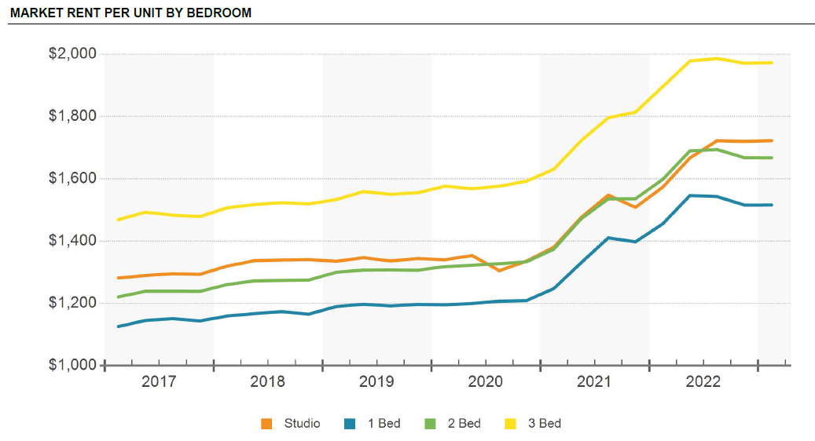

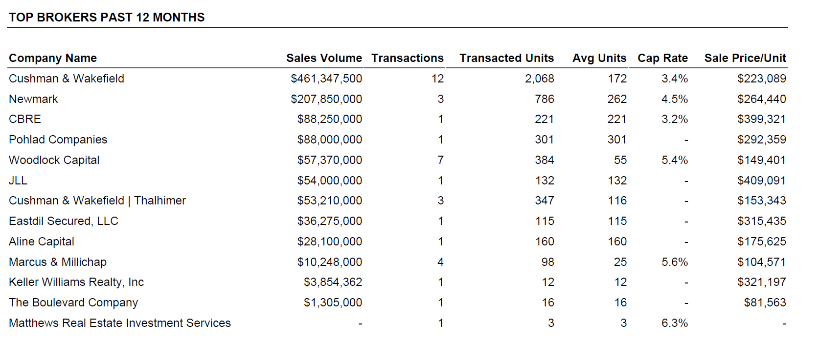

 |  |  |  |  |  |  |  |  |  |  |  |  |  |  |  | Sales Volume | Transacted Units
 |  |  |  |  |  |  |  |  |  |  |  |  |  |  |  | $461,347 | 2068
 |  |  |  |  |  |  |  |  |  |  |  |  |  |  |  | $207,850 | 786
 |  |  |  |  |  |  |  |  |  |  |  |  |  |  |  | $88,250 | 221
 |  |  |  |  |  |  |  |  |  |  |  |  |  |  |  | $88,000 | 301
 |  |  |  |  |  |  |  |  |  |  |  |  |  |  |  | $57,370 | 384
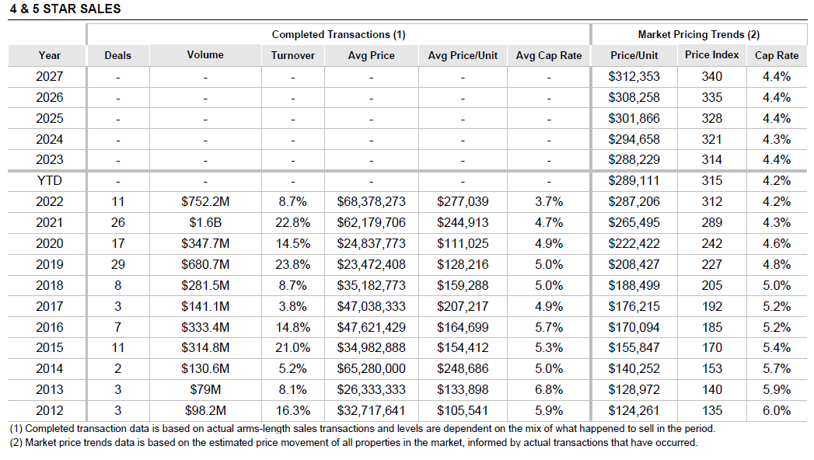
 |  |  |  |  |  |  |  |  |  |  |  |  |  |  |  | $54,000 | 132
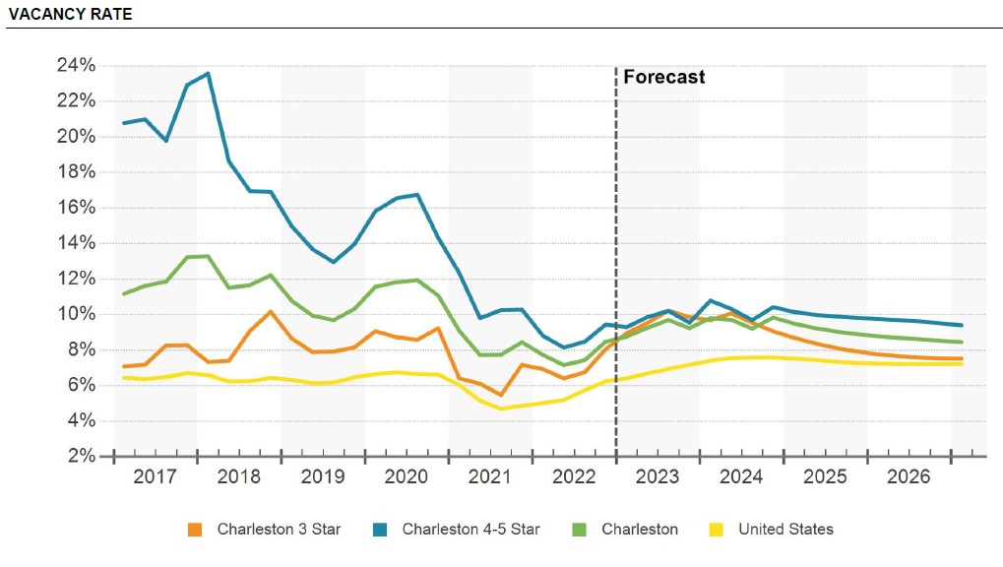
 |  |  |  |  |  |  |  |  |  |  |  |  |  |  |  | $53,210 | 347
 |  |  |  |  |  |  |  |  |  |  |  |  |  |  |  | $36,275 | 115
 |  |  |  |  |  |  |  |  |  |  |  |  |  |  |  | $28,100 | 160
 |  |  |  |  |  |  |  |  |  |  |  |  |  |  |  | $10,248 | 98
 |  |  |  |  |  |  |  |  |  |  |  |  |  |  |  | $3,854 | 12
 |  |  |  |  |  |  |  |  |  |  |  |  |  |  |  | $1,305 | 16
 |  |  |  |  |  |  |  |  |  |  |  |  |  |  |  | $1,089,809 | 4640 | 234.87262931

 |  |  |  |  |  |  |  |  |  |  |  |  |  |  |  | Average sales price for Charleston is $235,000/unit

Office Rent, Vacancy, and Cap Rates
Source: Costar - Charleston |  |  |  |  |  | Source: Costar - Charleston |  |  |  |  |  | Source: Costar - Charleston
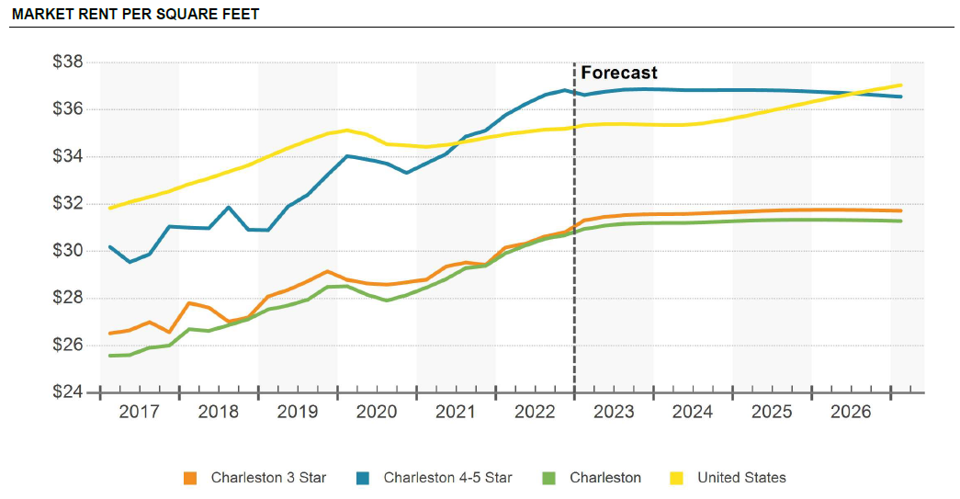
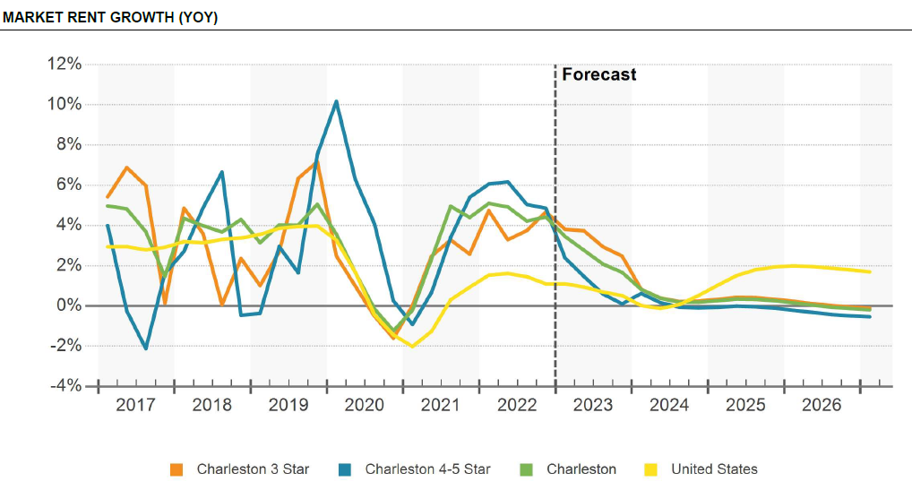

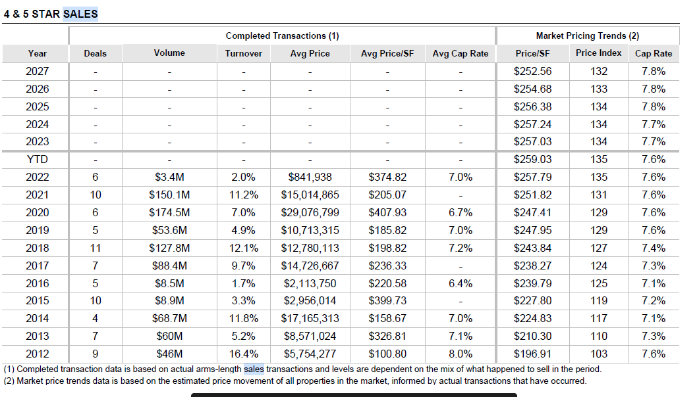
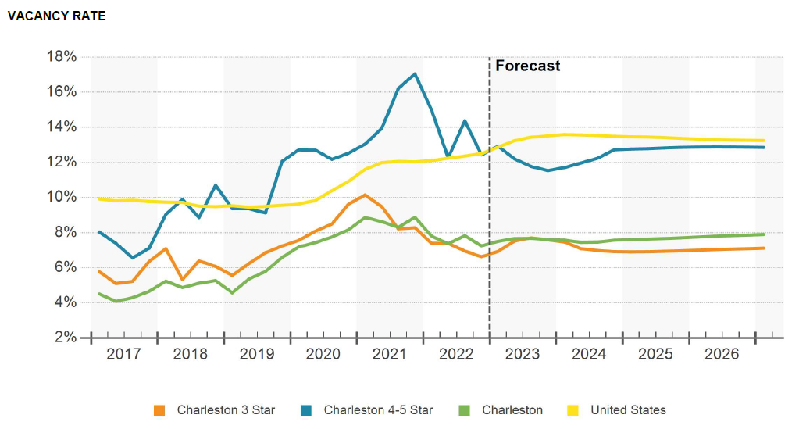

Retail Rent, Vacancy, and Cap Rates
Source: Costar - Charleston |  |  |  |  |  | Source: Costar - Charleston |  |  |  |  |  | Source: Costar - Charleston
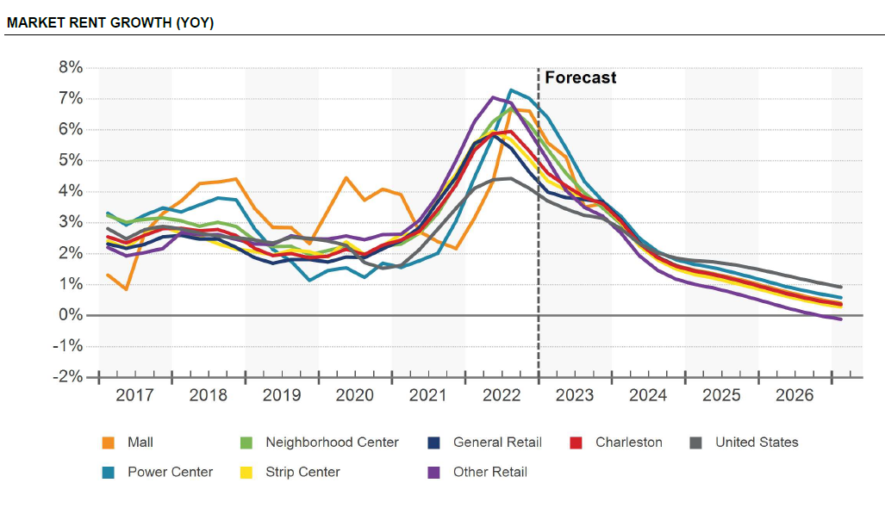
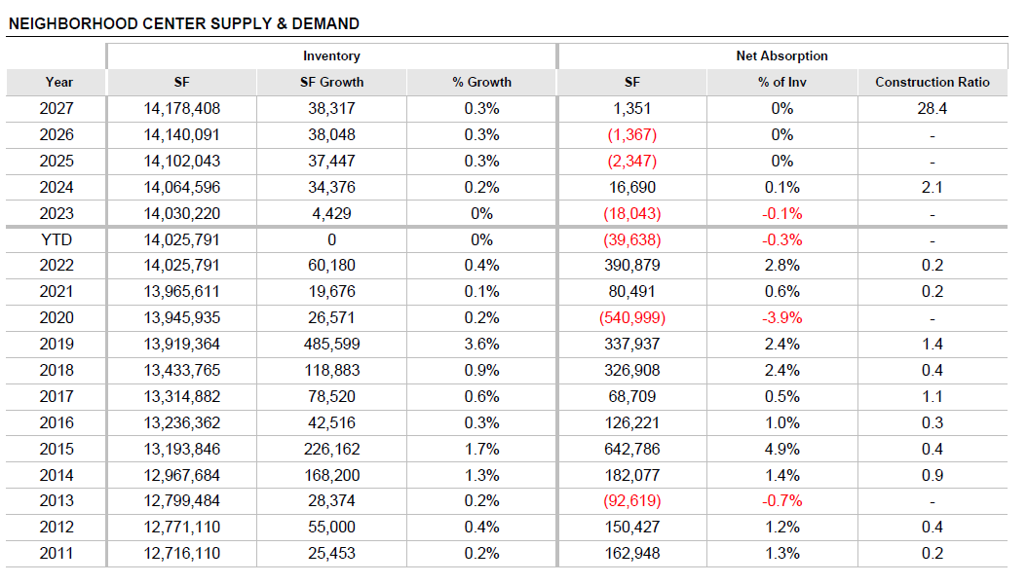
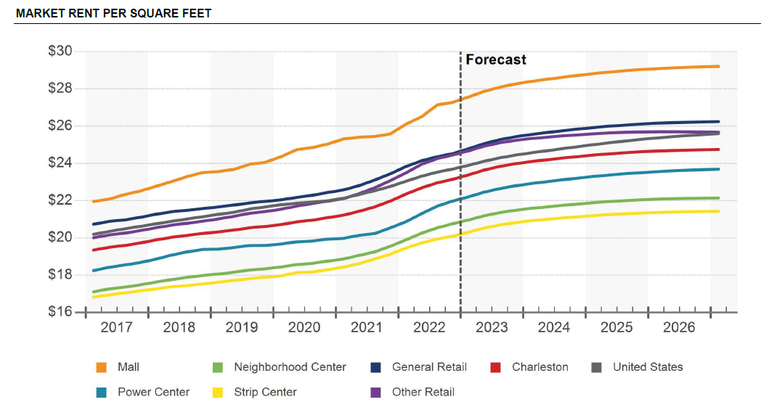

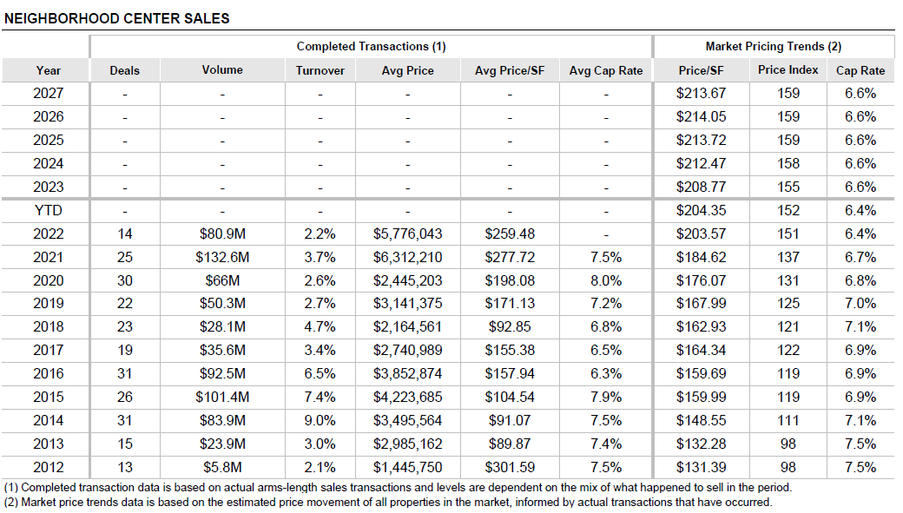
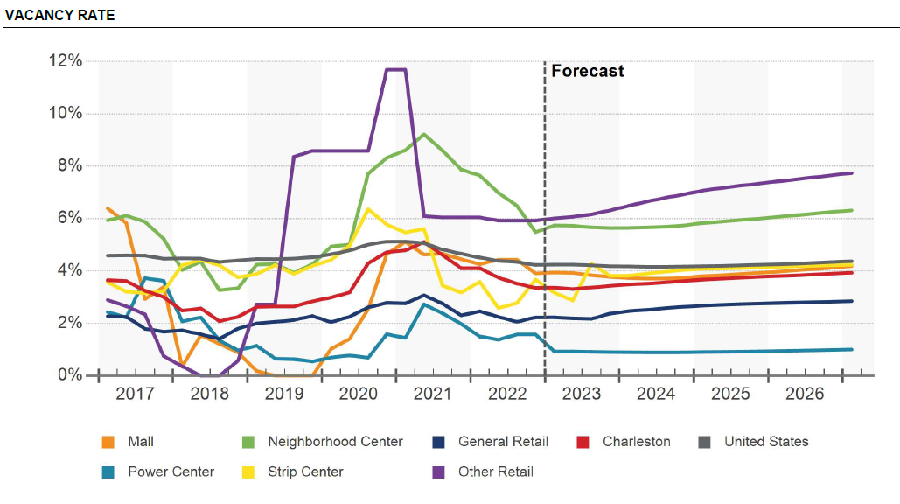

Hospitality Rent, Vacancy, and Cap Rates
Source: Costar - Charleston |  |  |  |  |  | Source: Costar - Charleston |  |  |  |  |  | Source: Costar - Charleston

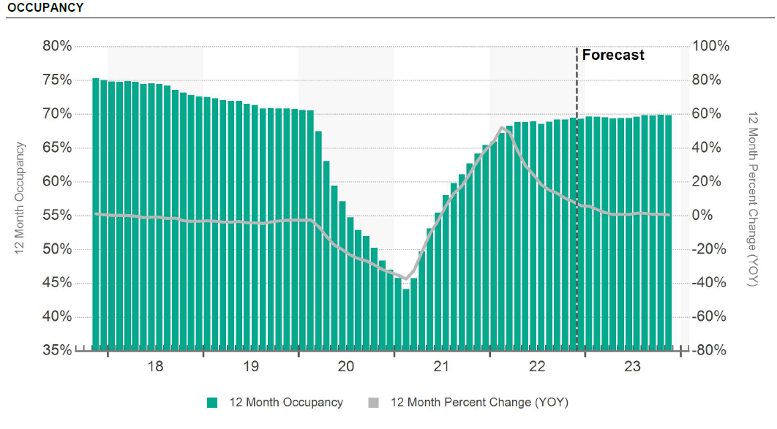
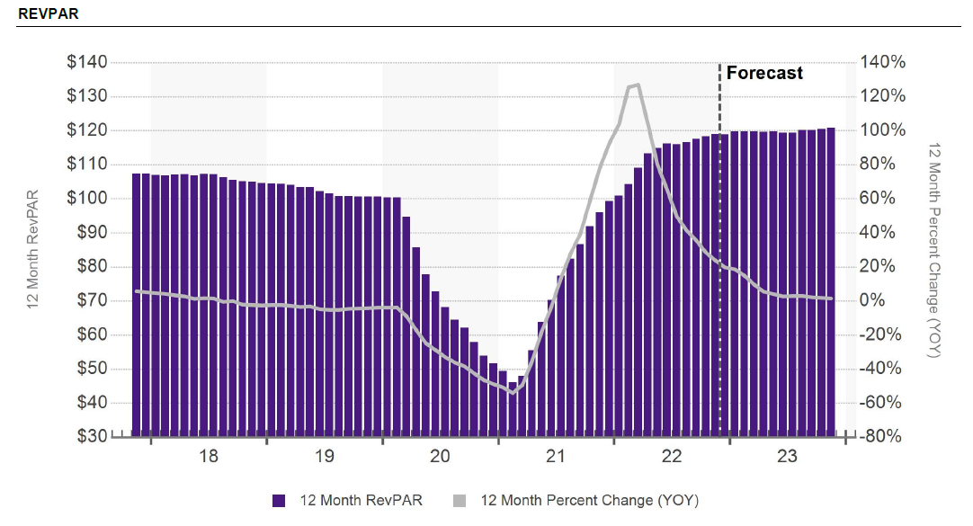
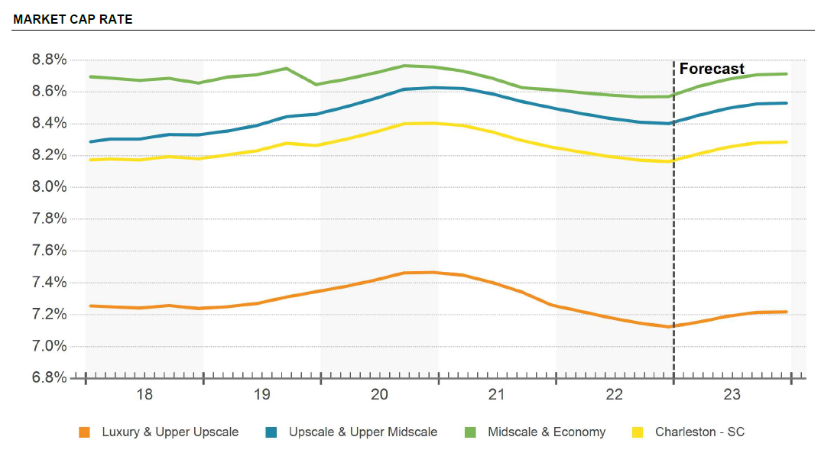

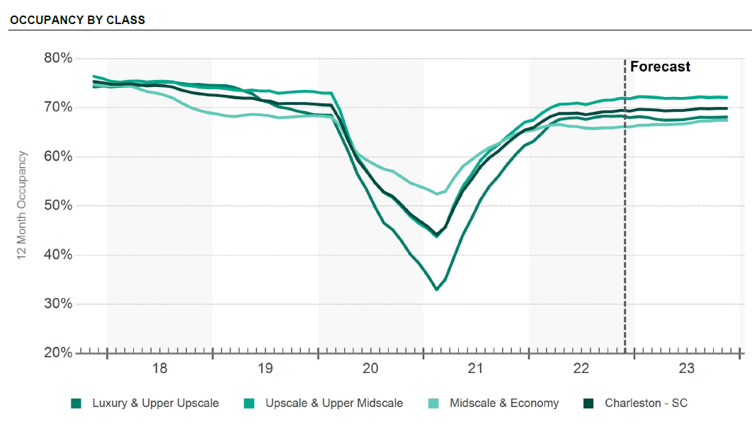
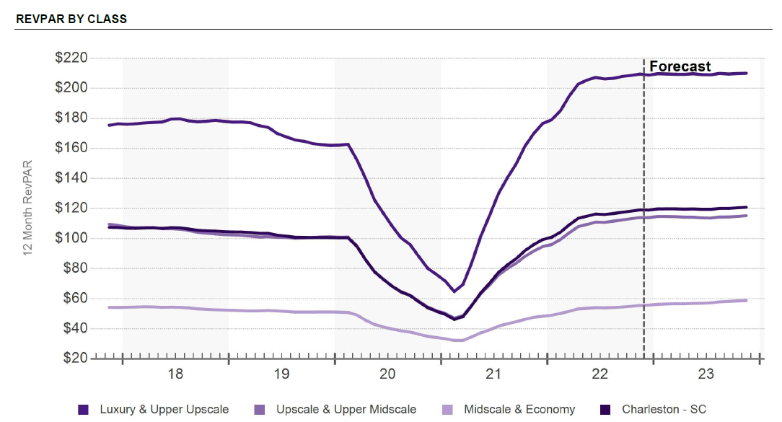
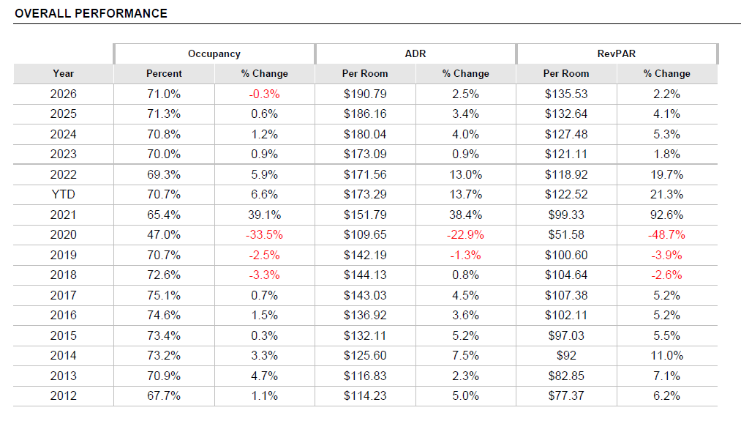
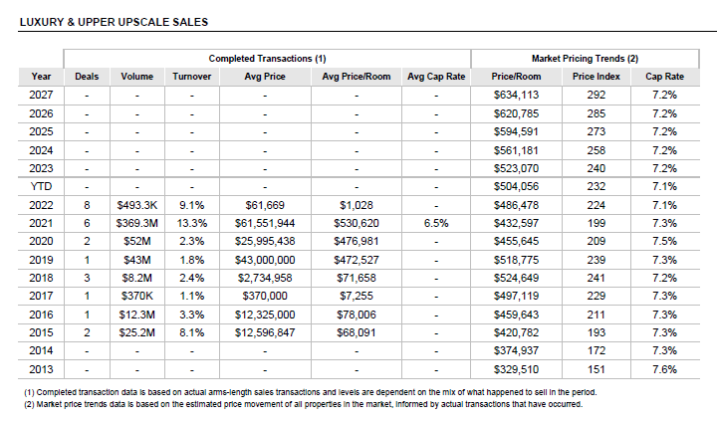

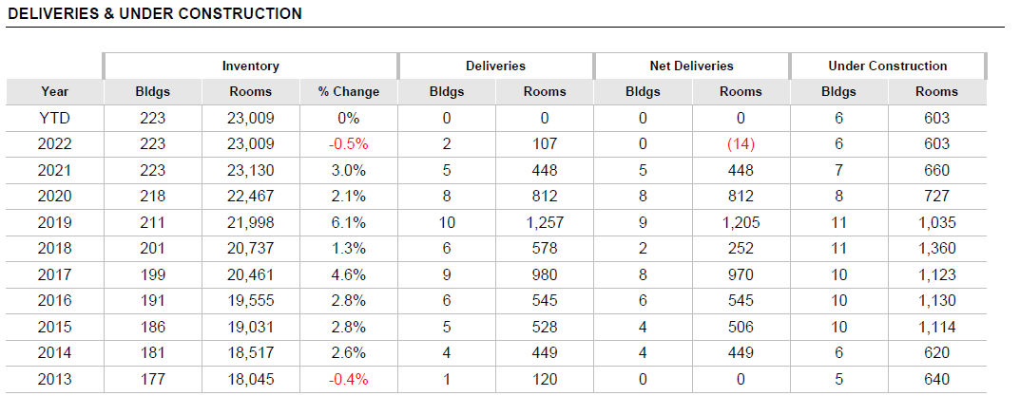

A Financial
D e v e l o p m e n t
DEVELOPMENT PLAN |  |  | Railway Commercial
 |  |  | 0.0% | Quick Rent Adjuster
For Rent Residential | # of Units | Net Rentable Square Feet (NRSF) | $/SF/Mo. | Total Annual
No Rentals |  |  |  | $0

Totals: | Units | SF |  | $0
Averages: |  | 0 | 0

COMMERCIAL SPACE | Square Feet | NNN Rent | Total Annual
Retail | 60,000 | $42.00 | $2,520,000 |  | 6.5
Office | 60,000 | $31.00 | $1,860,000 |  | 7.1
Total Commercial | 120,000 | $36.50 | $4,380,000 |  | 6.80
PARKING | Railway Commercial
Commercial | 400 |  | $400
Total Parking | 400
Fit to Parcel (Layout Calculator) | Railway Commercial
Total Land area | 482,645 |  | $192,000.00 |  |  |  | 2,674,010
Total Leasable SF (residential +commercial) | 120,000
Parking area at 350 sf per stall | 140,000 | 41% | 1.63
Building area at 20% circulation | 312,000 | 16% | 0.65
Building footprint at 4 stories | 78,000
NET OPERATING INCOME |  | Railway Commercial
INCOME | Per Unit | $/SF Res | Un-Trended
Gross Residential Rental Income |  |  | $0
120,000 SF Retail Income | Commercial RENT |  | $4,380,000
 | Gross Income |  | $4,380,000
Other Income | $/unit | $/SF
Parking Income |  |  | $229,440
Additional Income |  |  | $306,600
Retail Tenant Improvement Amortization |  |  | $540,000
Total Other Income |  |  | $1,076,040
LESS: 7% Vacancy |  |  | ($310,980)
Effective Gross Income |  |  | $5,145,060
EXPENSES | Per Unit | Per SF | Un-Trended
Total Operating Expenses |  |  | ($1,314,000)
Net Operating Income |  |  | $3,831,060
TOTAL PROJECT VALUE | Market Cap Rate= | 6.50% | $58,939,385
PROJECT COSTS |  | Railway Commercial
 | BASIS | Budget | Per Unit
Hard Costs for Construction | $200 per SF net leasable | $24,000,000 | $200
Parking stalls | $10,000 per stall | $4,000,000 | $33
Hard Cost Contingency | 7% of GMP costs | $1,680,000 | $14
Demolition | Estimate | $0 | $0
LAND | Land cost | $1,356,232 | $11
Municipal Fees and Allowances | Fee/unit=$72 | $28,800 | $0
Infrastructure allocation | Parcel allocation | $110,000 | $1
Legal | Estimate | $400,000 | $3
Land Closing Costs/commissions | Estimate | $86,025 | $1
Landscaping | 10 | $482,645 | $4
Design | 3% of total hard costs | $770,400 | $6
Developer Fee | 3% of Project Budget | $987,423 | $8
Construction Management Fee | 2% of total hard costs | $513,600 | $4
Taxes | Estimate | $1,096,273 | $9
Insurance | $6,000 per unit | $624,000 | $5
Marketing, FFE and Preleasing | Estimate | $200,000 | $2
Operating Deficit | 6 Months of OPEX | $657,000 | $5
Retail Tenant Improvements | $75 per SF of retail | $4,500,000 | $38
Retail brokerage | 6% on a five year term | $1,314,000 | $11
Construction Loan Origination | 1.50% of loan amount | $489,686 | $4 | Apply % to estimated Debt to avoid circular reference |  | $490,568.56
Construction Interest | 7% of loan amount | $2,285,201 | $19 | Apply % to estimated Debt to avoid circular reference |  | $2,289,320
Additional Contingency | Estimate | $1,139,532 | $9 |  |  | $7,358.53
Total Project Cost |  | $46,720,816 | $389
Yield on cost | 8.2%
Return on cost | 26.2%
Feasible Project Costs at 20% ROC | $49,116,154
Gap at 20% | $2,395,000 | Negative indicates shortfall

FINANCING |  | Railway Commercial
 | Total | Per Unit
Gap Funding reduction | $0 | $0
Private financing Amount | $46,720,816 | $389
70% Debt | $32,704,571 | $273
30% Equity | $14,016,245 | $117
Total Sources | $46,720,816 | $389

SALES ANALYSIS |  | Railway Commercial
 | Untrended
Gross Sales Proceeds | 58,939,385
LESS: 2% Selling Costs | ($1,178,788)
Net Sales Proceeds | 57,760,597
LESS: Construction Debt | (32,704,571)
LESS: Investor Equity | (14,016,245)
Net Profit | $11,039,800
Sales Price per Unit
Gross Price | $500
Net Price | $500
YIELD INDICATORS

 | Untrended
Equity multiple | 1.8
Leveraged Project IRR | 22%
UnLeveraged Project IRR | 13%
Debt Yield | 12%
Exit Cap Rate | 6.50%

B Financial
D e v e l o p m e n t
DEVELOPMENT PLAN |  |  | Hotel & Library
 |  |  | 0.0% | Quick Rent Adjuster
For Rent Residential | # of Units | Net Rentable Square Feet (NRSF) | Hotel:Revpar/Mo. For Sale:$sqft | Total Annual
Hotel Room | 284 | 250 | $205 | $698,640
For Sale Luxury Condos (2 Bed) | 26 | 1,000 | $240.00 | $6,240,000 |  | 122,000 | 337
Totals: | 310 Units | 97,000 SF |  | $6,938,640 |  | 407 | 296
Averages: |  | 313 SF | $5.96 |  |  | 85,200 | 41
 |  |  |  |  |  |  | 0.13851351351
COMMERCIAL SPACE | Square Feet | $/SQFT | Total Sale
Retail |  | $0.00 | $0 |  | 6.5
Library | 210,000 | $700.00 | $147,000,000 | $240,000 | 7.1
Total Commercial | 210,000 | $700.00 | $147,000,000 |  | 7.10
PARKING | Hotel & Library |  |  |  | 122000 | 488
Residential |  |  |  |  | 96000 | 384
Commercial | 803 |  | $803
Total Parking | 803
Fit to Parcel (Layout Calculator) | Hotel & Library |  |  |  | 32333.333333
Total Land area | 588,931 |  | $197,000.00 |  | 25.866666667 |  | $4,056,000.00
Total Leasable SF (residential +commercial) | 307,000 |  |  |  |  |  | $62,400,000.00
Parking area at 350 sf per stall | 281,167 | 90% | 3.58 |  |  |  | $2,400,000.00
Building area at 20% circulation | 705,800 | 30% | 1.20
Building footprint at 4 stories | 176,450
NET OPERATING INCOME |  | Hotel & Library
INCOME | Per Unit | $/SF Res | Un-Trended |  | 245000000 | 240000 | 1020.8333333
Gross Hotel Income | $2,460 | $8.20 | $698,640 |  | 183383233.53 |  | 764.09680639
...

